JUL1158D22

HDFC FMP 1158D JULY 2022 (A CLOSE-ENDED INCOME SCHEME) |  |  |  |  |  |  |  |  |  | Income | Hybrid
Portfolio as on 30-Nov-2022

 | ISIN | Coupon (%) | Name Of the Instrument | Industry+ /Rating | Quantity | Market/ Fair Value (Rs. in Lacs.) | % to NAV | Yield | ~YTC (AT1/Tier 2 bonds)
 | DEBT INSTRUMENTS
 | (a) Listed / awaiting listing on Stock Exchanges
 | Government Securities (Central/State)
l | IN2220150089 | 8.23 | 8.23% Maharashtra SDL - Mat 090925^ | Sovereign | 5,647,800 | 5,774.90 | 41.29 | 7.3100
l | IN000625C078 |  | GOI STRIPS - Mat 160625^ | Sovereign | 5,031,800 | 4,219.38 | 30.17 | 7.0450
l | IN000625C052 |  | GOI STRIPS - Mat 150625^ | Sovereign | 2,166,900 | 1,817.40 | 12.99 | 7.0450
l | IN1020150067 | 8.24 | 8.24% Andhra Pradesh SDL - Mat 090925^ | Sovereign | 604,700 | 618.17 | 4.42 | 7.3300
l | IN1620150079 | 8.23 | 8.23% Haryana SDL - Mat 090925^ | Sovereign | 392,500 | 401.13 | 2.87 | 7.3300
l | IN1020150042 | 8.31 | 8.31% Andhra Pradesh SDL - Mat 290725^ | Sovereign | 300,000 | 306.94 | 2.19 | 7.3300
l | IN2120150031 | 8.27 | 8.27% Madhya Pradesh SDL - Mat 120825^ | Sovereign | 200,000 | 204.35 | 1.46 | 7.3600
l | IN2920150173 | 8.23 | 8.23% RAJASTHAN SDL - Mat 090925^ | Sovereign | 178,900 | 182.72 | 1.31 | 7.3550
l | IN3120150062 | 8.21 | 8.21% Tamil Nadu SDL - Mat 240625^ | Sovereign | 150,000 | 153.20 | 1.10 | 7.2800
 | Sub Total |  |  |  |  | 13,678.19 | 97.80
 | Total |  |  |  |  | 13,678.19 | 97.80
 | MONEY MARKET INSTRUMENTS
 | TREPS - Tri-party Repo
 |  |  | TREPS - Tri-party Repo |  |  | 160.69 | 1.15 | 5.6679
 | Sub Total |  |  |  |  | 160.69 | 1.15
 | Total |  |  |  |  | 160.69 | 1.15
 | OTHERS
 | Net Current Assets
 |  |  | Net Current Assets |  |  | 146.56 | 1.05
 | Sub Total |  |  |  |  | 146.56 | 1.05
 | Total |  |  |  |  | 146.56 | 1.05

 | Grand Total |  |  |  |  | 13,985.44 | 100.00
| | Top Ten Holdings
 | + Industry Classification as recommended by AMFI
 | £ - Sponsor Company
 | ** Thinly Traded/ Non-Traded Securities (Equity) as on November 30, 2022
 | ^ Non-Traded Securities (Debt) as on November 30, 2022
 | # Non Sensex Scrips
 | @ Less than 0.01%.
 | ~ YTC i.e. Yield to Call is disclosed at security level only for Additional Tier 1 Bonds and Tier 2 Bonds issued by Banks as per AMFI Best Practices Notification 135/BP/91/2020-21 read with SEBI circular SEBI/HO/IMD/DF4/CIR/P/2021/034

 | Portfolio Classification by Asset Class(%)
 | G-Sec STRIPS, SDL |  | 97.80
 | Cash, Cash Equivalents and Net Current Assets |  | 2.20
 | Portfolio Classification by Rating Class(%)
 | Sovereign |  | 97.80
 | Cash, Cash Equivalents and Net Current Assets |  | 2.20

 | Notes :
 | 1) NAV History
 | NAVs per unit (Rs.) | November 30, 2022 | October 31, 2022
 | IDCW Option | 10.2236 | 10.1171
 | IDCW Option - Direct Plan | 10.2319 | 10.1228
 | Quarterly IDCW Option | 10.1737 | 10.0677
 | Quarterly IDCW Option - Direct Plan | 10.1791 | 10.0706
 | Growth Option | 10.2236 | 10.1171
 | Growth Option - Direct Plan | 10.2319 | 10.1228

 | Dividend History - Dividend declared during the month ended November 30, 2022 : Nil

 | Bonus History - Bonus declared during the month ended November 30, 2022: Nil

 | 2) Total below investment grade or default provided for and its percentage to NAV : Nil
 | 3) Total investments in Foreign Securities / Overseas ETFs / ADRs / GDRs : Nil
 | 4) Repo in Corporate Debt : Nil
 | 5) Total outstanding exposure in Derivative Instruments as on Nov 30, 2022 : Nil
 | 6) Pursuant to SEBI Circular SEBI/HO/IMD/DF3/CIR/P/2020/194 dated October 05, 2020, name of all the existing dividend plan / option of all mutual fund schemes has been renamed as IDCW (Income Distribution cum Capital Withdrawal) Plan / Option with effect from April 01, 2021
 | 7) Riskometer based on Scheme Portfolio and Portfolio Benchmark "NIFTY Medium Duration Debt Index" as on Nov 30, 2022

 | Scheme Riskometer:
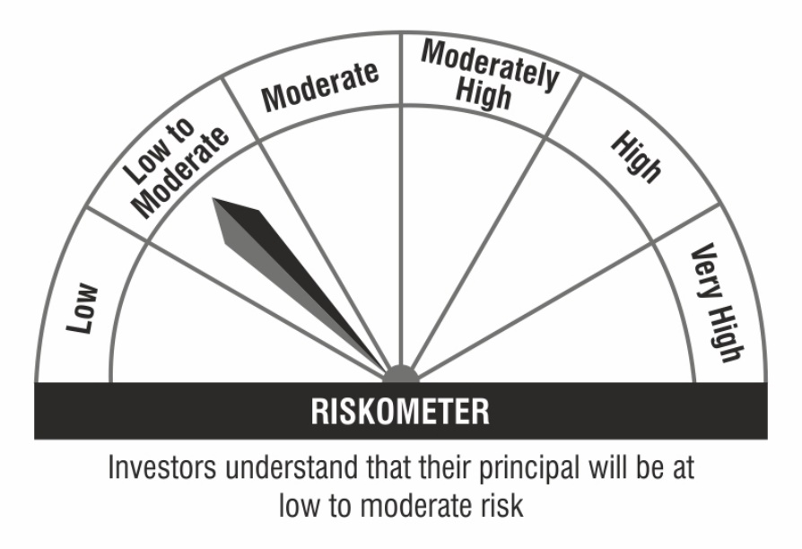

 | Benchmark Riskometer:

